Upper Level
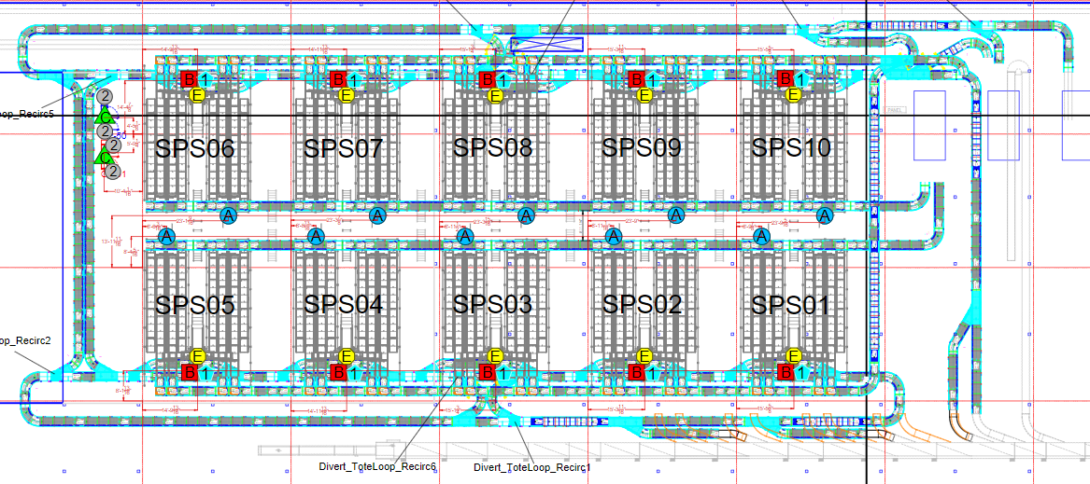
Identifier | Description | Severity
 | Pick Cell | If only 1, S2. | Conveyance flow direction
 |  | If more than 1, S1.
 |  |  | Full Boxes coming from upstairs going to packout
 | Tote Line Diverts | If only 1, S2.
 |  | If more than 1, S1. | Empty Boxes going upstairs to pick cells

 | Tote Line Diverts | S1 | Full totes from Decant to Tote Loop

 |  |  | Empty totes from Tote Loop to be re-filled at Decant
 | New Totes Inducting | S1
 |  |  | Full totes from customer sorter inducting to Tote Loop

 | Empty Box Line Divert | S1 | Empty totes leaving the BG system

 | Empty Box Line Induct | If only affecting 1 station (could be up to 4 separate diverts), S2

 |  | If affecting more than 1 station, S1

Any section of the tote or box conveyance that is fully inoperable is an S1.

Lower Level
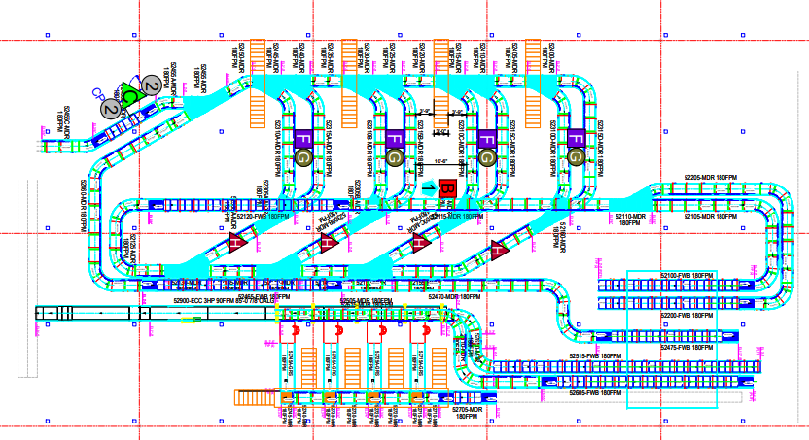
Identifier | Description | Severity
 | Box Lifters | If 1 is down, S2
 |  | If 2 are down, S1

 | Barcode Scanners and HMI | If 1 or 2 are down, S2
 |  | If 3 or more are down, S1

 | Label Printers

Any section of the box conveyance that is fully inoperable and impacts more than 2 packout stations is an S1.

 | Conveyance flow direction

 | Full Boxes coming from upstairs going to packout

 | Empty Boxes going upstairs to pick cells

 | Full totes from Decant to Tote Loop

 | Empty totes from Tote Loop to be re-filled at Decant

